Dashboard
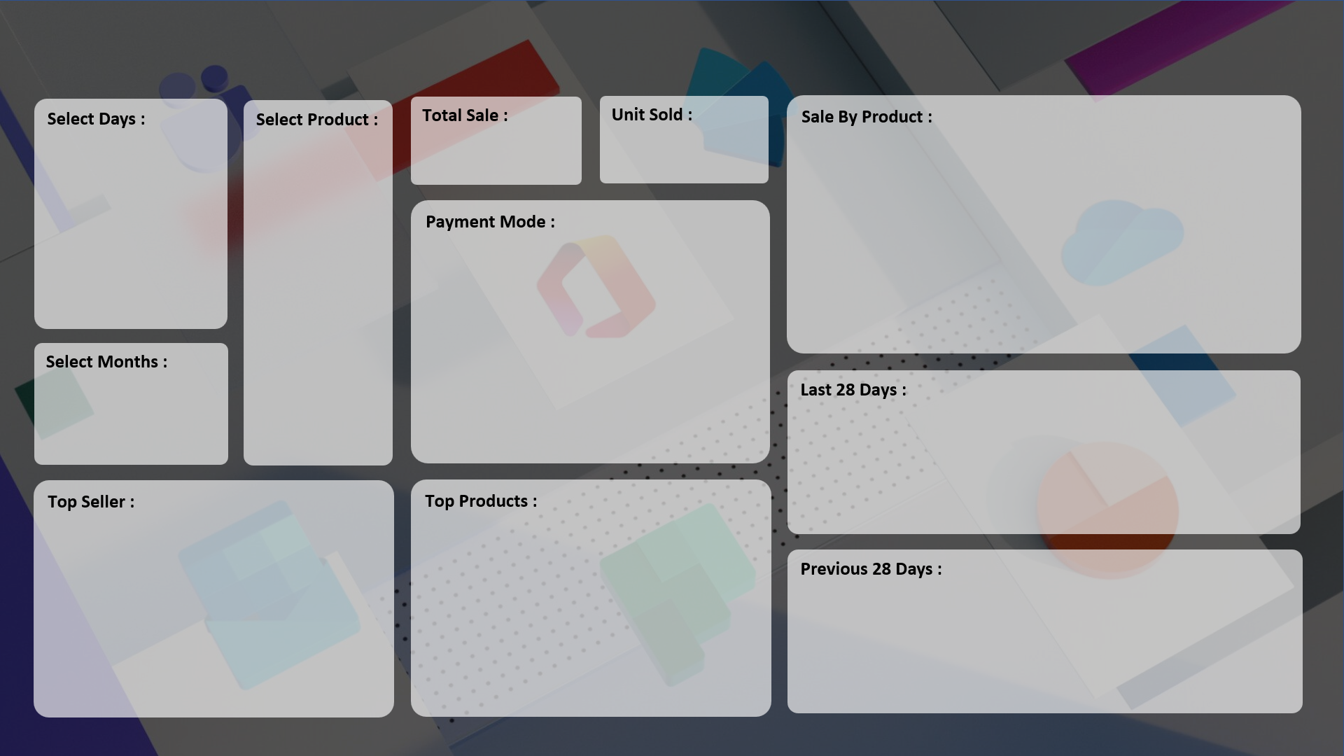
SALE PERFORMANCE DASHBOARD

₹ 4,79,570
7,679
 | Total
HDD 256 GB | 47
Keyboard | 50
Monitor | 22
Mouse | 17
Printer | 55
Scanner | 53

 | Total
Cash | 93
Online | 151

 | Total
01-Apr | 17
01-May | 27
01-Jun | 24
01-Jul | 32
01-Aug | 12
01-Sep | 132

 | Total
ABC Traders | 58
Super Tech | 59
CCC Mart | 98
 | Total
Printer | 55
Scanner | 53
SSD 256 GB | 55

 | Total
01-Apr | 17
01-May | 27
01-Jun | 24
01-Jul | 32
01-Aug | 12
01-Sep | 132

